PRE BOY-YB
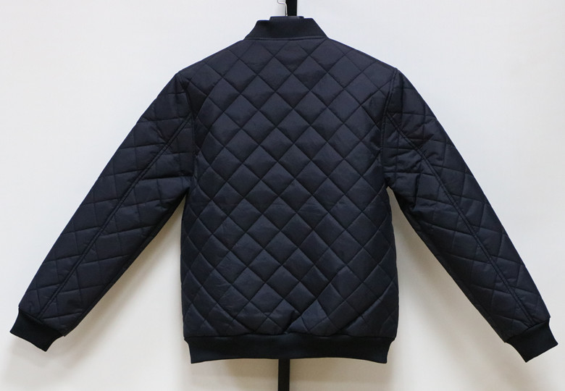
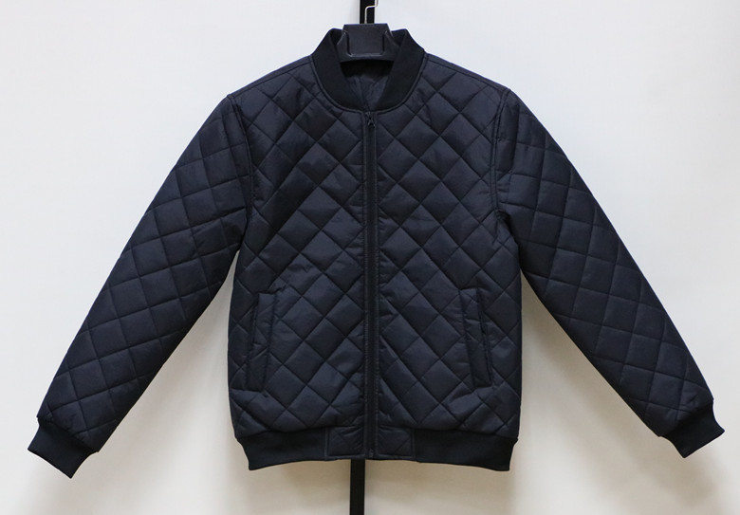
JACKET IN- STOCK |  |  | 12000PCS
UNIT PRICE : US$ 8.70 FOB(XIAMEN)
We will charge 0.25$ more if you want to change labels&tags.
Description | REVERSIBLE-MEN FAKE DOWN JACKET
Style NO. | # 18001
Shell Fabric | 100%NYLON 40D
Lining | 100% Polyester 210t
Filler | IMITATED DOWN Polyfill, |  |  |  | 140 | G/M²
 | Quantity List
COLOR / SIZE | S | M | L | XL |  | PCS/Color
Black | 2000 | 4000 | 4000 | 2000 |  | 12000
Total Quantity : 12000 PCS
Packing List | Ratio(Solid Color/Full sizes) |  |  |  |  | PCS
COLOR / SIZE | S | M | L | XL |  | per CTN
Black | 5 | 10 | 10 | 5 |  | 30

TOTAL : | 400 | CTNS |  |  | 58.46 CBM
G/W:16.5KGS | Total G.W: |  | 6600.0KGS
N/W:15.0KGS | MEAS: | 58 X | 36 X | 70 CM

SIZE SPEC | S | M | L | XL
1/2 Chest | 56 | 59 | 62 | 65 |  | cm
B.C.Length | 68 | 70 | 72 | 74 |  | cm
Sleeve Length | 66 | 67 | 68 | 69 |  | cm

